20200120mChOCT4sg2
PURPOSE:
TRANSFECTION METADATA |  |  |  |  |  |  |  |  |  |  |  |  |  | Cell type | WTC11 |  | Cell source | Coriell

input data | Transfector |  | JEFF |  |  |  |  |  |  |  |  |  |  | Date cells received |  | 20190430 | how shipped | live shipment
 | Date of transfection |  | 20200120 |  |  |  |  |  |  |  |  |  |  | Freeze date |  | 20190516 | passage#at freeze | 41
 |  |  |  |  |  |  |  |  |  |  |  |  |  | STR anal | 20190705 | mycoplasma | 20190705 | Karyotype analysis
 | Thaw date | 20200110 | Passages since thaw | 1 |  | Passage number | 43
 | Matrigel coating date |  | 20200102 |  |  |  |  |  |  |  |  |  |  | Transfection method |  | Amaxa | Electroporation program |  | CB-150 | Electroporation buffer |  | P3

 |  |  |  |  |  |  |  |  |  |  |  |  |  | Original plasmid backbone |  |  | pUC19-OCT4-T2A-NLS-EmGFP-P2A-Puro |  |  | Source | Addgene
 | Gene targeted |  | OCT4 |  | FluorescentProtein | m-Cherry | mCh
 | Guide RNA Designation |  | OCT4sg2 |  |  |  |  |  |  |  |  |  |  |  | Other plamid components |  | m-Cherry |  |  |  | 5' homology arm |  | 3' homology arm
 | Sequence |  | OCT4sg2:GGCACCUCAGUUUGAAUGCA |  |  | Source | Synthego |  |  | Donor Plasmid Name | pOCT4_mCh long5'HA |  |  |  |  | Resource | pSAD-F3-NPEST-iCRE-2A-mCherryPEST |  |  |  | WCT11 genomic DNA |  | pUC19-OCT4-T2A-NLS-EmGFP-P2A-Puro
 |  |  |  |  |  |  |  |  |  |  |  |  |  |  |  | Source | Addgene |  |  |  | WTC11cells |  | Addgene

 |  |  |  |  |  |  |  |  |  |  |  |  |  |  |  |  |  |  |  |  |  |  | Note: homology arms are 3' and 5' of the stop codon
input data | PREP mTESR+Ri (mL) |  |  | Harvest from 6well plate/count

 | #wells | 2 | mL/6w plate | total mL
 | 6well plate harvest |  | 4 | 8 |  |  |  |  |  |  |  |  |  | NOTES
 | resusp to count |  | 2.5 | 5 |  |  |  |  |  |  |  |  |  | Actually 7,273 helper cells and 3,571 transfected cells/well
 | vol to fill 96well posttransfctn |  |  | 11.2 |  | incl .08mLposttrnsfctnincuba

 | Total volume mTESR+Ri (mL) |  |  | 24.2 | mL

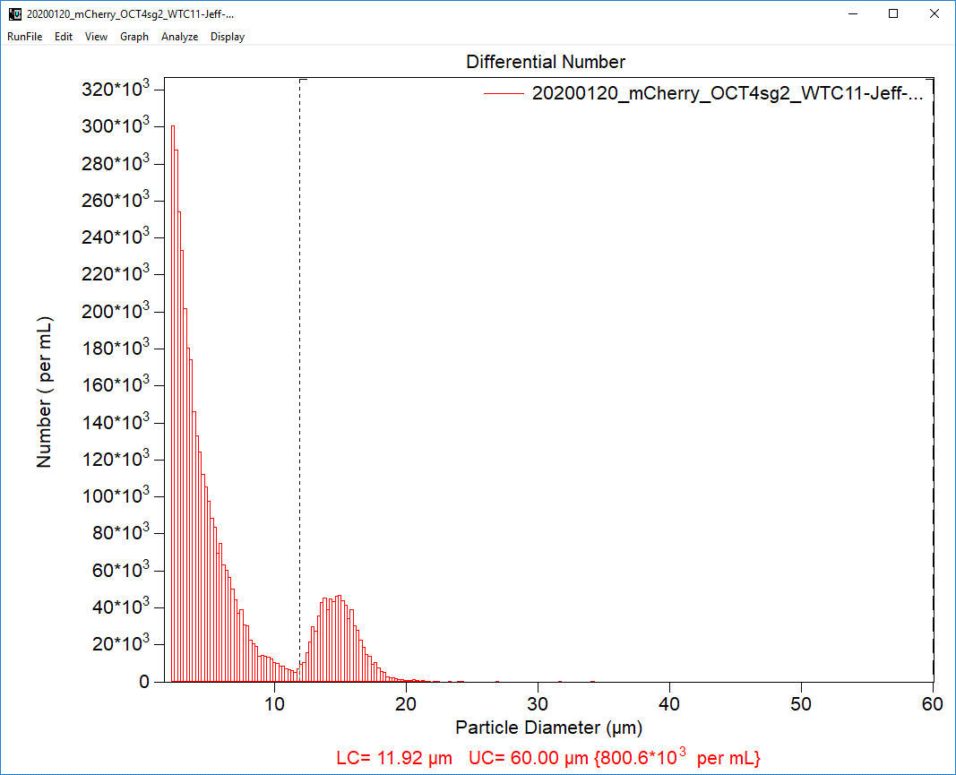
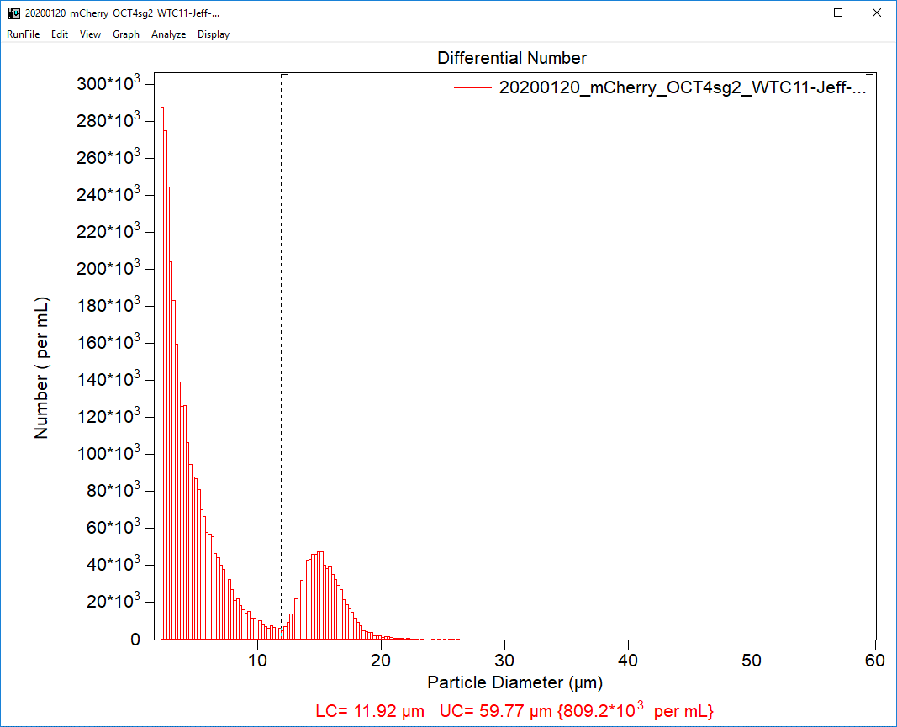
 |  |  |  |  |  |  |  |  |  |  |  |  |  | Coulter Counter data image
input data | PREPARE REAGENTS FOR TRANSFECTION |  |  |  |  |  |  | dilute w TE
 |  |  |  |  | Stock Conc |  |  | Dilu factor | Working conc |  | mL of reactants
Cas9:gRNA | 1:3 |  | pmol Cas9 | 2 | Cas9 | 20 | mM | 10 | 2 | mM | 1.0
 |  |  | pmol gRNA | 6 | gRNA | 20 | mM | 10 | 2 | mM | 3.0
 |  |  | mg plsmdDNA | 0.2 | plsmdDNA | 0.6 | mg/mL | 3 | 0.2 | mg/mL | 1

 |  |  |  |  |  |  |  |  |  | Total Volume of reactants | 5.0

Volume of cells |  | 20 | uL
Vol reactants |  | 5.0 | uL
Total vol rxn |  | 25 | uL

pmol RNA-prot cmplx |  | 2 |  | pmol Cas9 | 2
# cells to be transfected |  | 4.00E+05 |  | mg plasmidDNA | 0.2

Transfection designator |  |  | 20200120mChOCT4sg2

input data | PREPARE CELLS FOR TRANSFECTION |  |  | Post transfection plate: 96-well |  |  | Tot well vol | 0.1mL

 |  | desired # cells/well |  | final vol cell susp (mL) |  | mL/96well |  | #cellstotal |  | COULTER Counter Results:
HELPER CELLS |  | 8000 |  | 5.6 |  | 0.05 |  | 896000 |  |  | #cell/mL | Vol of cells needed(mL) | Vol of mTESR+Ri (mL)
TRANSFECTANTS |  | 4000 |  | 5.6 |  | 0.05 |  | 448000 |  | helpr cells | 8.00E+05 | 1.12 | 4.48
 |  |  |  |  |  |  |  |  |  | transfctnts | 8.09E+05 | 0.55 | 5.50
Time of plating post transfection |  |  | 12:30:00

Transfection protocol |  | AmaxaCB-150

20200220mChOCT4sg2
PURPOSE:
TRANSFECTION METADATA |  |  |  |  |  |  |  |  |  |  |  |  |  | Cell type | WTC11 |  | Cell source | Coriell

input data | Transfector |  | JEFF |  |  |  |  |  |  |  |  |  |  | Date cells received |  | 20190430 | how shipped | live shipment
 | Date of transfection |  | 20200220 |  |  |  |  |  |  |  |  |  |  | Freeze date |  | 20190516 | passage#at freeze | 41
 |  |  |  |  |  |  |  |  |  |  |  |  |  | STR anal | 20190705 | mycoplasma | 20190705 | Karyotype analysis
 | Thaw date | 20200216 | Passages since thaw | 2 |  | Passage number | 44
 | Matrigel coating date |  | 20200213 |  |  |  |  |  |  |  |  |  |  | Transfection method |  | Amaxa | Electroporation program |  | CB-150 | Electroporation buffer |  | P3

 |  |  |  |  |  |  |  |  |  |  |  |  |  | Original plasmid backbone |  |  | pUC19-OCT4-T2A-NLS-EmGFP-P2A-Puro |  |  | Source | Addgene
 | Gene targeted |  | OCT4 |  | FluorescentProtein | m-Cherry | mCh
 | Guide RNA Designation |  | OCT4sg2 |  |  |  |  |  |  |  |  |  |  |  | Other plamid components |  | m-Cherry |  |  |  | 5' homology arm |  | 3' homology arm
 | Sequence |  | OCT4sg2:GGCACCUCAGUUUGAAUGCA |  |  | Source | Synthego |  |  | Donor Plasmid Name | pOCT4_mCh long5'HA |  |  |  |  | Resource | pSAD-F3-NPEST-iCRE-2A-mCherryPEST |  |  |  | WCT11 genomic DNA |  | pUC19-OCT4-T2A-NLS-EmGFP-P2A-Puro
 |  |  |  |  |  |  |  |  |  |  |  |  |  |  |  | Source | Addgene |  |  |  | WTC11cells |  | Addgene

 |  |  |  |  |  |  |  |  |  |  |  |  |  |  |  |  |  |  |  |  |  |  | Note: homology arms are 3' and 5' of the stop codon
input data | PREP mTESR+Ri (mL) |  |  | Harvest from 6well plate/count

 | #wells | 1 | mL/6w plate | total mL
 | 6well plate harvest |  | 4 | 4 |  |  |  |  |  |  |  |  |  | NOTES
 | resusp to count |  | 2.5 | 2.5 |  |  |  |  |  |  |  |  |  | Actually 3,155 helper cells and 3,571 transfected cells/well
 | vol to fill 96well posttransfctn |  |  | 11.2 |  | incl .08mLposttrnsfctnincuba

 | Total volume mTESR+Ri (mL) |  |  | 17.7 | mL

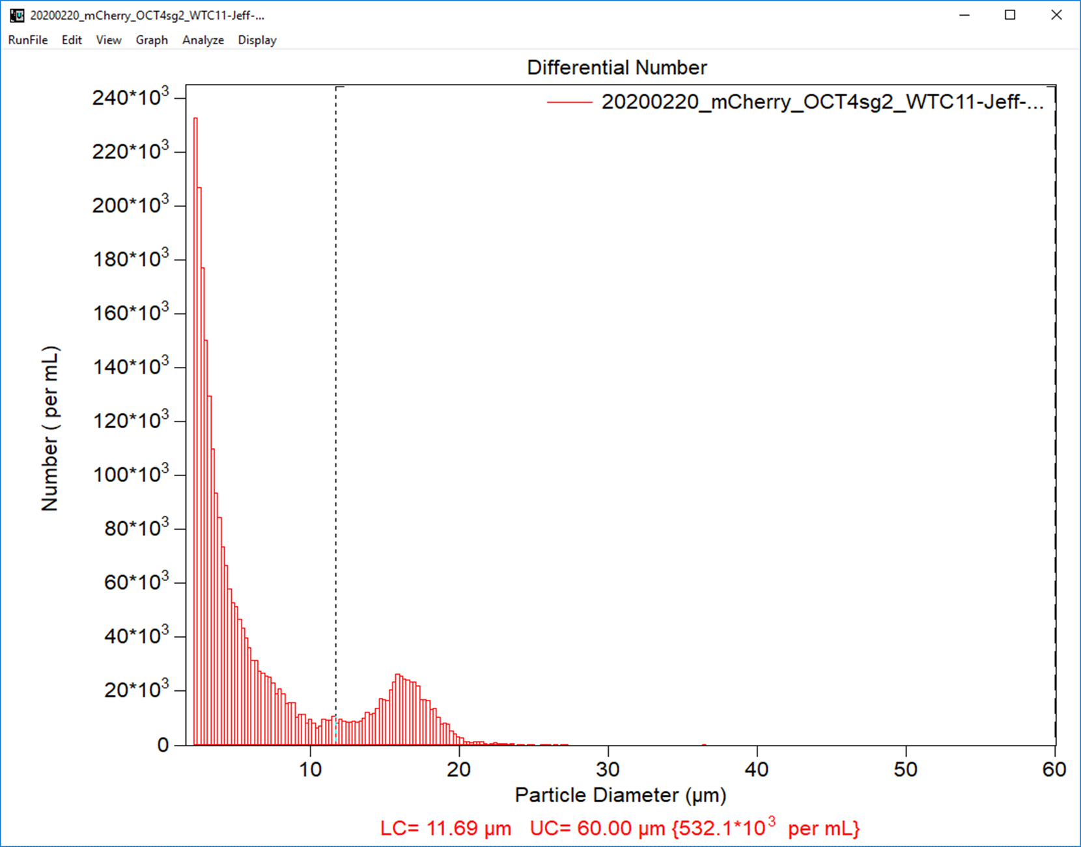
 |  |  |  |  |  |  |  |  |  |  |  |  |  | Coulter Counter data image
input data | PREPARE REAGENTS FOR TRANSFECTION |  |  |  |  |  |  | dilute w TE
 |  |  |  |  | Stock Conc |  |  | Dilu factor | Working conc |  | mL of reactants
Cas9:gRNA | 1:3 |  | pmol Cas9 | 2 | Cas9 | 20 | mM | 10 | 2 | mM | 1.0
 |  |  | pmol gRNA | 6 | gRNA | 20 | mM | 10 | 2 | mM | 3.0
 |  |  | mg plsmdDNA | 0.2 | plsmdDNA | 0.6 | mg/mL | 3 | 0.2 | mg/mL | 1

 |  |  |  |  |  |  |  |  |  | Total Volume of reactants | 5.0

Volume of cells |  | 20 | uL
Vol reactants |  | 5.0 | uL
Total vol rxn |  | 25 | uL

pmol RNA-prot cmplx |  | 2 |  | pmol Cas9 | 2
# cells to be transfected |  | 4.00E+05 |  | mg plasmidDNA | 0.2

Transfection designator |  |  | 20200220mChOCT4sg2

input data | PREPARE CELLS FOR TRANSFECTION |  |  | Post transfection plate: 96-well |  |  | Tot well vol | 0.1mL

 |  | # cells/well |  | vol cell susp (mL) |  | mL/well |  | #cellstotal |  | COULTER Counter Results:
HELPER CELLS |  | 4000 |  | 5.6 |  | 0.05 |  | 448000 |  |  | #cell/mL | Vol of cells needed(mL) | Vol of mTESR+Ri (mL)
TRANSFECTANTS |  | 4000 |  | 5.6 |  | 0.05 |  | 448000 |  | helpr cells | 5.32E+05 | 0.84 | 4.76
 |  |  |  |  |  |  |  |  |  | transfctnts | 5.32E+05 | 0.84 | 5.50
Time of plating post transfection |  |  | 14:00:00

Transfection protocol |  | AmaxaCB-150

20200316GFPSOX2sg1
PURPOSE:
TRANSFECTION METADATA |  |  |  |  |  |  |  |  |  |  |  |  |  | Cell type | WTC11 |  | Cell source | Coriell

input data | Transfector |  | JEFF |  |  |  |  |  |  |  |  |  |  | Date cells received |  | 20190430 | how shipped | live shipment
 | Date of transfection |  | 20200316 |  |  |  |  |  |  |  |  |  |  | Freeze date |  | 20190516 | passage#at freeze | 41
 |  |  |  |  |  |  |  |  |  |  |  |  |  | STR anal | 20190705 | mycoplasma | 20190705 | Karyotype analysis
 | Thaw date | 20200309 | Passages since thaw | 2 |  | Passage number | 44
 | Matrigel coating date |  | 20200224 |  |  |  |  |  |  |  |  |  |  | Transfection method |  | Amaxa | Electroporation program |  | CB-150 | Electroporation buffer |  | P3

 |  |  |  |  |  |  |  |  |  |  |  |  |  | Original plasmid backbone |  |  | pUC19-SOX2-T2A-2xNLS-tdTomato-F2A-Puro |  |  | Source | Addgene
 | Gene targeted |  | SOX2 |  | FluorescentProtein | eGFP | GFP
 | Guide RNA Designation |  | SOX2sg1 |  |  |  |  |  |  |  |  |  |  |  | Other plamid components |  | eGFP |  |  |  | 5' homology arm |  | 3' homology arm
 | Sequence |  | SOX2sg1:CGGCCCUCACAUGUGUGAGA |  |  | Source | Synthego |  |  | Donor Plasmid Name | pSOX2_GFP |  |  |  |  | Resource | pcDNA3.3_d2eGFP |  |  |  | pUC19-SOX2-T2A-2xNLS-tdTomato-F2A-Puro |  | pUC19-SOX2-T2A-2xNLS-tdTomato-F2A-Puro
 |  |  |  |  |  |  |  |  |  |  |  |  |  |  |  | Source | Addgene |  |  |  | Addgene |  | Addgene

 |  |  |  |  |  |  |  |  |  |  |  |  |  |  |  |  |  |  |  |  |  |  | Note: homology arms are 3' and 5' of the stop codon
input data | PREP mTESR+Ri (mL) |  |  | Harvest from 6well plate/count

 | #wells | 1 | mL/6w plate | total mL
 | 6well plate harvest |  | 4 | 4 |  |  |  |  |  |  |  |  |  | NOTES
 | resusp to count |  | 2.5 | 2.5 |  |  |  |  |  |  |  |  |  | Actually 3,344 helper cells and 3,571 transfected cells/well
 | vol to fill 96well posttransfctn |  |  | 11.2 |  | incl .08mLposttrnsfctnincuba

 | Total volume mTESR+Ri (mL) |  |  | 17.7 | mL

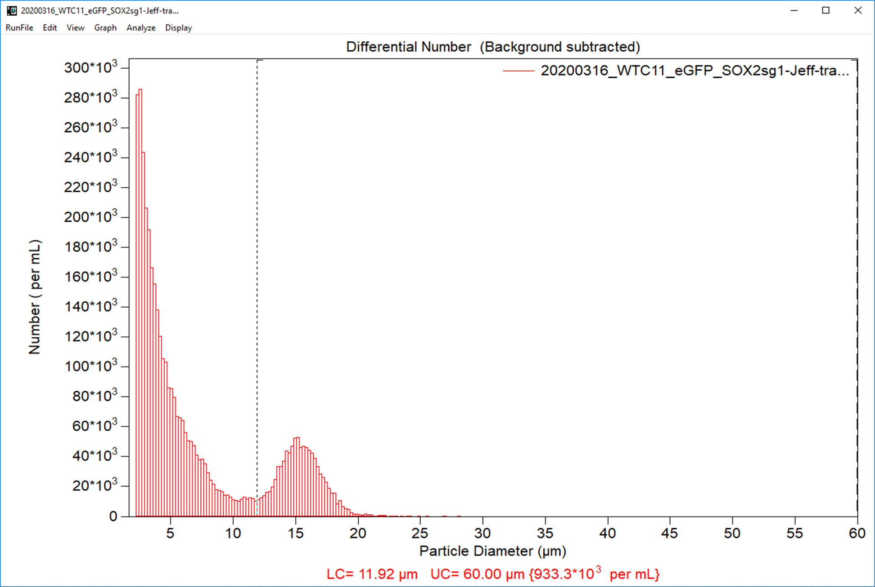
 |  |  |  |  |  |  |  |  |  |  |  |  |  | Coulter Counter data image
input data | PREPARE REAGENTS FOR TRANSFECTION |  |  |  |  |  |  | dilute w TE
 |  |  |  |  | Stock Conc |  |  | Dilu factor | Working conc |  | mL of reactants
Cas9:gRNA | 1:3 |  | pmol Cas9 | 2 | Cas9 | 20 | mM | 10 | 2 | mM | 1.0
 |  |  | pmol gRNA | 6 | gRNA | 20 | mM | 10 | 2 | mM | 3.0
 |  |  | mg plsmdDNA | 0.2 | plsmdDNA | 0.84 | mg/mL | 4.2 | 0.2 | mg/mL | 1

 |  |  |  |  |  |  |  |  |  | Total Volume of reactants | 5.0

Volume of cells |  | 20 | uL
Vol reactants |  | 5.0 | uL
Total vol rxn |  | 25 | uL

pmol RNA-prot cmplx |  | 2 |  | pmol Cas9 | 2
# cells to be transfected |  | 4.00E+05 |  | mg plasmidDNA | 0.2

Transfection designator |  |  | 20200316GFPSOX2sg1

input data | PREPARE CELLS FOR TRANSFECTION |  |  | Post transfection plate: 96-well |  |  | Tot well vol | 0.1mL

 |  | # cells/well |  | vol cell susp (mL) |  | mL/well |  | #cellstotal |  | COULTER Counter Results:
HELPER CELLS |  | 4000 |  | 5.6 |  | 0.05 |  | 448000 |  |  | #cell/mL | Vol of cells needed(mL) | Vol of mTESR+Ri (mL)
TRANSFECTANTS |  | 4000 |  | 5.6 |  | 0.05 |  | 448000 |  | helpr cells | 9.33E+05 | 0.48 | 5.12
 |  |  |  |  |  |  |  |  |  | transfctnts | 9.33E+05 | 0.48 | 5.50
Time of plating post transfection |  |  | 12:15:00

Transfection protocol |  | AmaxaCB-150

20200317GFPSOX2sg2
PURPOSE:
TRANSFECTION METADATA |  |  |  |  |  |  |  |  |  |  |  |  |  | Cell type | WTC11 |  | Cell source | Coriell

input data | Transfector |  | JEFF |  |  |  |  |  |  |  |  |  |  | Date cells received |  | 20190430 | how shipped | live shipment
 | Date of transfection |  | 20200317 |  |  |  |  |  |  |  |  |  |  | Freeze date |  | 20190516 | passage#at freeze | 41
 |  |  |  |  |  |  |  |  |  |  |  |  |  | STR anal | 20190705 | mycoplasma | 20190705 | Karyotype analysis
 | Thaw date | 20200309 | Passages since thaw | 2 |  | Passage number | 44
 | Matrigel coating date |  | 20200224 |  |  |  |  |  |  |  |  |  |  | Transfection method |  | Amaxa | Electroporation program |  | CB-150 | Electroporation buffer |  | P3

 |  |  |  |  |  |  |  |  |  |  |  |  |  | Original plasmid backbone |  |  | pUC19-SOX2-T2A-2xNLS-tdTomato-F2A-Puro |  |  | Source | Addgene
 | Gene targeted |  | SOX2 |  | FluorescentProtein | eGFP | GFP
 | Guide RNA Designation |  | SOX2sg2 |  |  |  |  |  |  |  |  |  |  |  | Other plamid components |  | eGFP |  |  |  | 5' homology arm |  | 3' homology arm
 | Sequence |  | SOX2sg2:GUGAGGGCCGGACAGCGAAC |  |  | Source | Synthego |  |  | Donor Plasmid Name | pSOX2_GFP |  |  |  |  | Resource | pcDNA3.3_d2eGFP |  |  |  | pUC19-SOX2-T2A-2xNLS-tdTomato-F2A-Puro |  | pUC19-SOX2-T2A-2xNLS-tdTomato-F2A-Puro
 |  |  |  |  |  |  |  |  |  |  |  |  |  |  |  | Source | Addgene |  |  |  | Addgene |  | Addgene

 |  |  |  |  |  |  |  |  |  |  |  |  |  |  |  |  |  |  |  |  |  |  | Note: homology arms are 3' and 5' of the stop codon
input data | PREP mTESR+Ri (mL) |  |  | Harvest from 6well plate/count

 | #wells | 1 | mL/6w plate | total mL
 | 6well plate harvest |  | 4 | 4 |  |  |  |  |  |  |  |  |  | NOTES
 | resusp to count |  | 2.5 | 2.5 |  |  |  |  |  |  |  |  |  | Actually 3,317 helper cells and 3,571 transfected cells/well
 | vol to fill 96well posttransfctn |  |  | 11.2 |  | incl .08mLposttrnsfctnincuba

 | Total volume mTESR+Ri (mL) |  |  | 17.7 | mL

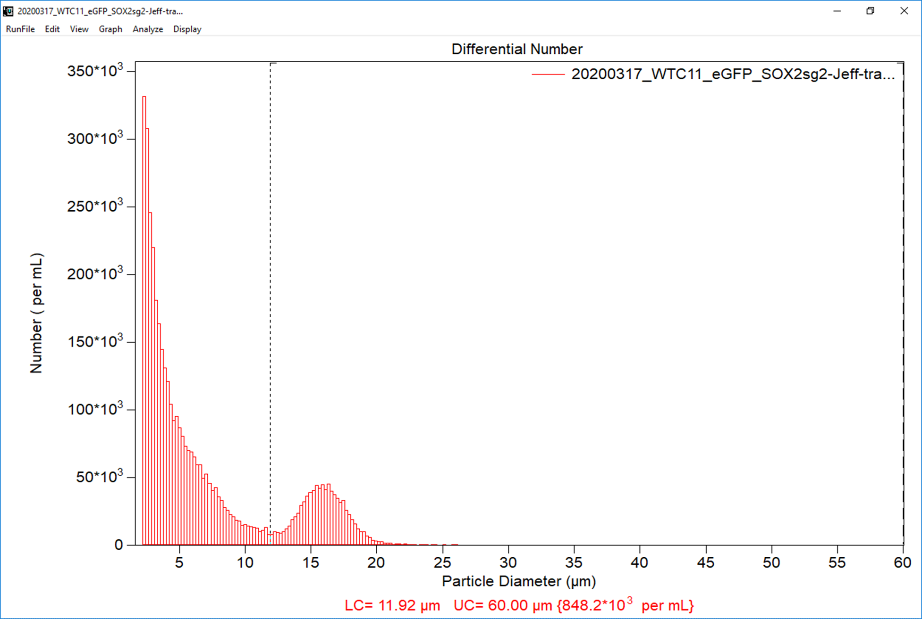
 |  |  |  |  |  |  |  |  |  |  |  |  |  | Coulter Counter data image
input data | PREPARE REAGENTS FOR TRANSFECTION |  |  |  |  |  |  | dilute w TE
 |  |  |  |  | Stock Conc |  |  | Dilu factor | Working conc |  | mL of reactants
Cas9:gRNA | 1:3 |  | pmol Cas9 | 2 | Cas9 | 20 | mM | 10 | 2 | mM | 1.0
 |  |  | pmol gRNA | 6 | gRNA | 20 | mM | 10 | 2 | mM | 3.0
 |  |  | mg plsmdDNA | 0.2 | plsmdDNA | 0.84 | mg/mL | 4.2 | 0.2 | mg/mL | 1

 |  |  |  |  |  |  |  |  |  | Total Volume of reactants | 5.0

Volume of cells |  | 20 | uL
Vol reactants |  | 5.0 | uL
Total vol rxn |  | 25 | uL

pmol RNA-prot cmplx |  | 2 |  | pmol Cas9 | 2
# cells to be transfected |  | 4.00E+05 |  | mg plasmidDNA | 0.2

Transfection designator |  |  | 20200317GFPSOX2sg2

input data | PREPARE CELLS FOR TRANSFECTION |  |  | Post transfection plate: 96-well |  |  | Tot well vol | 0.1mL

 |  | # cells/well |  | vol cell susp (mL) |  | mL/well |  | #cellstotal |  | COULTER Counter Results:
HELPER CELLS |  | 4000 |  | 5.6 |  | 0.05 |  | 448000 |  |  | #cell/mL | Vol of cells needed(mL) | Vol of mTESR+Ri (mL)
TRANSFECTANTS |  | 4000 |  | 5.6 |  | 0.05 |  | 448000 |  | helpr cells | 8.48E+05 | 0.53 | 5.07
 |  |  |  |  |  |  |  |  |  | transfctnts | 8.48E+05 | 0.53 | 5.50
Time of plating post transfection |  |  | 13:30:00

Transfection protocol |  | AmaxaCB-150

20200318GFPSOX2sg3
PURPOSE:
TRANSFECTION METADATA |  |  |  |  |  |  |  |  |  |  |  |  |  | Cell type | WTC11 |  | Cell source | Coriell

input data | Transfector |  | JEFF |  |  |  |  |  |  |  |  |  |  | Date cells received |  | 20190430 | how shipped | live shipment
 | Date of transfection |  | 20200318 |  |  |  |  |  |  |  |  |  |  | Freeze date |  | 20190516 | passage#at freeze | 41
 |  |  |  |  |  |  |  |  |  |  |  |  |  | STR anal | 20190705 | mycoplasma | 20190705 | Karyotype analysis
 | Thaw date | 20200309 | Passages since thaw | 2 |  | Passage number | 44
 | Matrigel coating date |  | 20200316 |  |  |  |  |  |  |  |  |  |  | Transfection method |  | Amaxa | Electroporation program |  | CB-150 | Electroporation buffer |  | P3

 |  |  |  |  |  |  |  |  |  |  |  |  |  | Original plasmid backbone |  |  | pUC19-SOX2-T2A-2xNLS-tdTomato-F2A-Puro |  |  | Source | Addgene
 | Gene targeted |  | SOX2 |  | FluorescentProtein | eGFP | GFP
 | Guide RNA Designation |  | SOX2sg3 |  |  |  |  |  |  |  |  |  |  |  | Other plamid components |  | eGFP |  |  |  | 5' homology arm |  | 3' homology arm
 | Sequence |  | SOX2sg3:UGCCCCUCUCACACAUGUGA |  |  | Source | Synthego |  |  | Donor Plasmid Name | pSOX2_GFP |  |  |  |  | Resource | pcDNA3.3_d2eGFP |  |  |  | pUC19-SOX2-T2A-2xNLS-tdTomato-F2A-Puro |  | pUC19-SOX2-T2A-2xNLS-tdTomato-F2A-Puro
 |  |  |  |  |  |  |  |  |  |  |  |  |  |  |  | Source | Addgene |  |  |  | Addgene |  | Addgene

 |  |  |  |  |  |  |  |  |  |  |  |  |  |  |  |  |  |  |  |  |  |  | Note: homology arms are 3' and 5' of the stop codon
input data | PREP mTESR+Ri (mL) |  |  | Harvest from 6well plate/count

 | #wells | 1 | mL/6w plate | total mL
 | 6well plate harvest |  | 4 | 4 |  |  |  |  |  |  |  |  |  | NOTES
 | resusp to count |  | 2.5 | 2.5
 | vol to fill 96well posttransfctn |  |  | 11.2 |  | incl .08mLposttrnsfctnincuba
 |  |  |  |  |  |  |  |  |  |  |  |  |  | Actually 3,140 helper cells and 3,571 transfected cells/well
 | Total volume mTESR+Ri (mL) |  |  | 17.7 | mL

 |  |  |  |  |  |  |  |  |  |  |  |  |  | Coulter Counter data image
input data | PREPARE REAGENTS FOR TRANSFECTION |  |  |  |  |  |  | dilute w TE
 |  |  |  |  | Stock Conc |  |  | Dilu factor | Working conc |  | mL of reactants
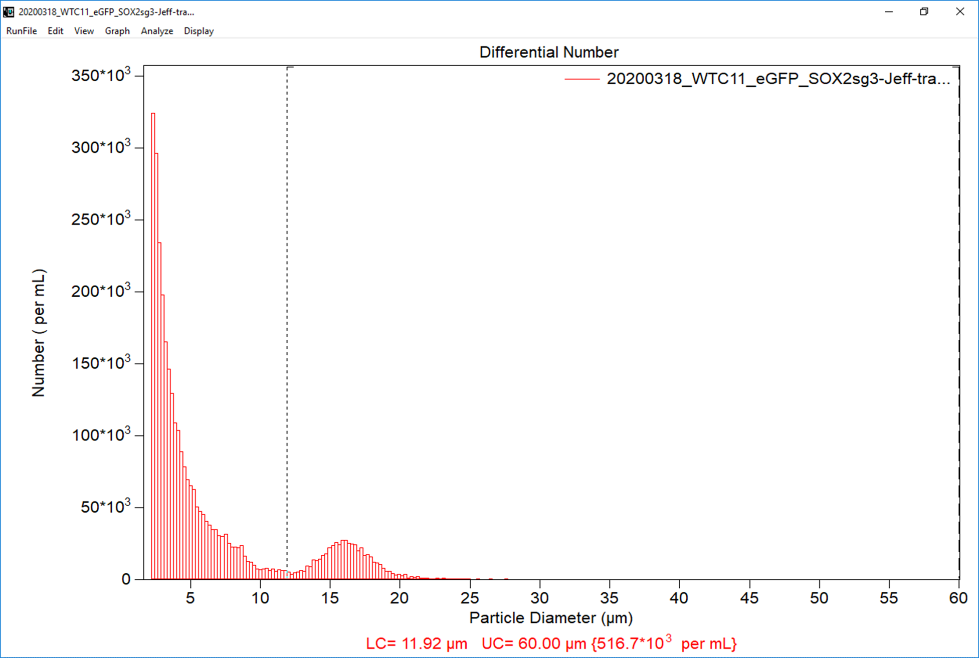
Cas9:gRNA | 1:3 |  | pmol Cas9 | 2 | Cas9 | 20 | mM | 10 | 2 | mM | 1.0
 |  |  | pmol gRNA | 6 | gRNA | 20 | mM | 10 | 2 | mM | 3.0
 |  |  | mg plsmdDNA | 0.2 | plsmdDNA | 0.84 | mg/mL | 4.2 | 0.2 | mg/mL | 1

 |  |  |  |  |  |  |  |  |  | Total Volume of reactants | 5.0

Volume of cells |  | 20 | uL
Vol reactants |  | 5.0 | uL
Total vol rxn |  | 25 | uL

pmol RNA-prot cmplx |  | 2 |  | pmol Cas9 | 2
# cells to be transfected |  | 4.00E+05 |  | mg plasmidDNA | 0.2

Transfection designator |  |  | 20200318GFPSOX2sg3

input data | PREPARE CELLS FOR TRANSFECTION |  |  | Post transfection plate: 96-well |  |  | Tot well vol | 0.1mL

 |  | # cells/well |  | final vol cell susp (mL) |  | mL/well |  | #cellstotal |  | COULTER Counter Results:
HELPER CELLS |  | 4000 |  | 5.6 |  | 0.05 |  | 448000 |  |  | #cell/mL | Vol of cells needed(mL) | Vol of mTESR+Ri (mL)
TRANSFECTANTS |  | 4000 |  | 5.6 |  | 0.05 |  | 448000 |  | helpr cells | 5.17E+05 | 0.87 | 4.73
 |  |  |  |  |  |  |  |  |  | transfctnts | 5.17E+05 | 0.87 | 5.50
Time of plating post transfection |  |  | 12:20:00

Transfection protocol |  | AmaxaCB-150

20200113mChOCT4sg2
PURPOSE:
TRANSFECTION METADATA |  |  |  |  |  |  |  |  |  |  |  |  |  | Cell type | WTC11 |  | Cell source | Coriell

input data | Transfector |  | JEFF |  |  |  |  |  |  |  |  |  |  | Date cells received |  | 20190430 | how shipped | live shipment
 | Date of transfection |  | 20200113 |  |  |  |  |  |  |  |  |  |  | Freeze date |  | 20190516 | passage#at freeze | 41
 |  |  |  |  |  |  |  |  |  |  |  |  |  | STR anal | 20190705 | mycoplasma | 20190705 | Karyotype analysis
 | Thaw date | 20200110 | Passages since thaw | 1 |  | Passage number | 43
 | Matrigel coating date |  | 20200102 |  |  |  |  |  |  |  |  |  |  | Transfection method |  | Amaxa | Electroporation program |  | CB-150 | Electroporation buffer |  | P3

 |  |  |  |  |  |  |  |  |  |  |  |  |  | Original plasmid backbone |  |  | pUC19-OCT4-T2A-NLS-EmGFP-P2A-Puro |  |  | Source | Addgene
 | Gene targeted |  | OCT4 |  | FluorescentProtein | m-Cherry | mCh
 | Guide RNA Designation |  | OCT4sg2 |  |  |  |  |  |  |  |  |  |  |  | Other plamid components |  | m-Cherry |  |  |  | 5' homology arm |  | 3' homology arm
 | Sequence |  | OCT4sg2:GGCACCUCAGUUUGAAUGCA |  |  | Source | Synthego |  |  | Donor Plasmid Name | pOCT4_mCh long5'HA |  |  |  |  | Resource | pSAD-F3-NPEST-iCRE-2A-mCherryPEST |  |  |  | in-house |  | pUC19-OCT4-T2A-NLS-EmGFP-P2A-Puro
 |  |  |  |  |  |  |  |  |  |  |  |  |  |  |  | Source | Addgene |  |  |  | WTC11cells |  | Addgene

 |  |  |  |  |  |  |  |  |  |  |  |  |  |  |  |  |  |  |  |  |  |  | Note: homology arms are 3' and 5' of the stop codon
input data | PREP mTESR+Ri (mL) |  |  | Harvest from 6well plate/count

 | #wells | 2 | mL/6w plate | total mL
 | 6well plate harvest |  | 4 | 8 |  |  |  |  |  |  |  |  |  | NOTES
 | resusp to count |  | 2.5 | 5 |  |  |  |  |  |  |  |  |  | Actually 3,636 helper cells and 3,571 transfected cells/well
 | vol to fill 96well posttransfctn |  |  | 11.2 |  | incl .08mLposttrnsfctnincuba

 | Total volume mTESR+Ri (mL) |  |  | 24.2 | mL

 |  |  |  |  |  |  |  |  |  |  |  |  |  | Coulter Counter data image
input data | PREPARE REAGENTS FOR TRANSFECTION |  |  |  |  |  |  | dilute w TE
 |  |  |  |  | Stock Conc |  |  | Dilu factor | Working conc |  | mL of reactants
Cas9:gRNA | 1:3 |  | pmol Cas9 | 2 | Cas9 | 20 | mM | 10 | 2 | mM | 1.0
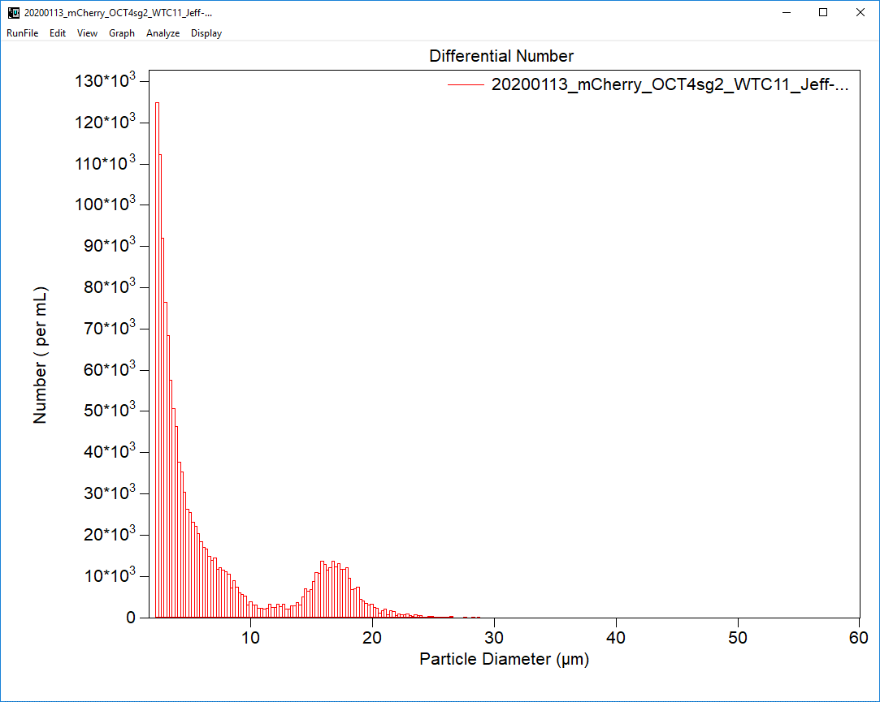
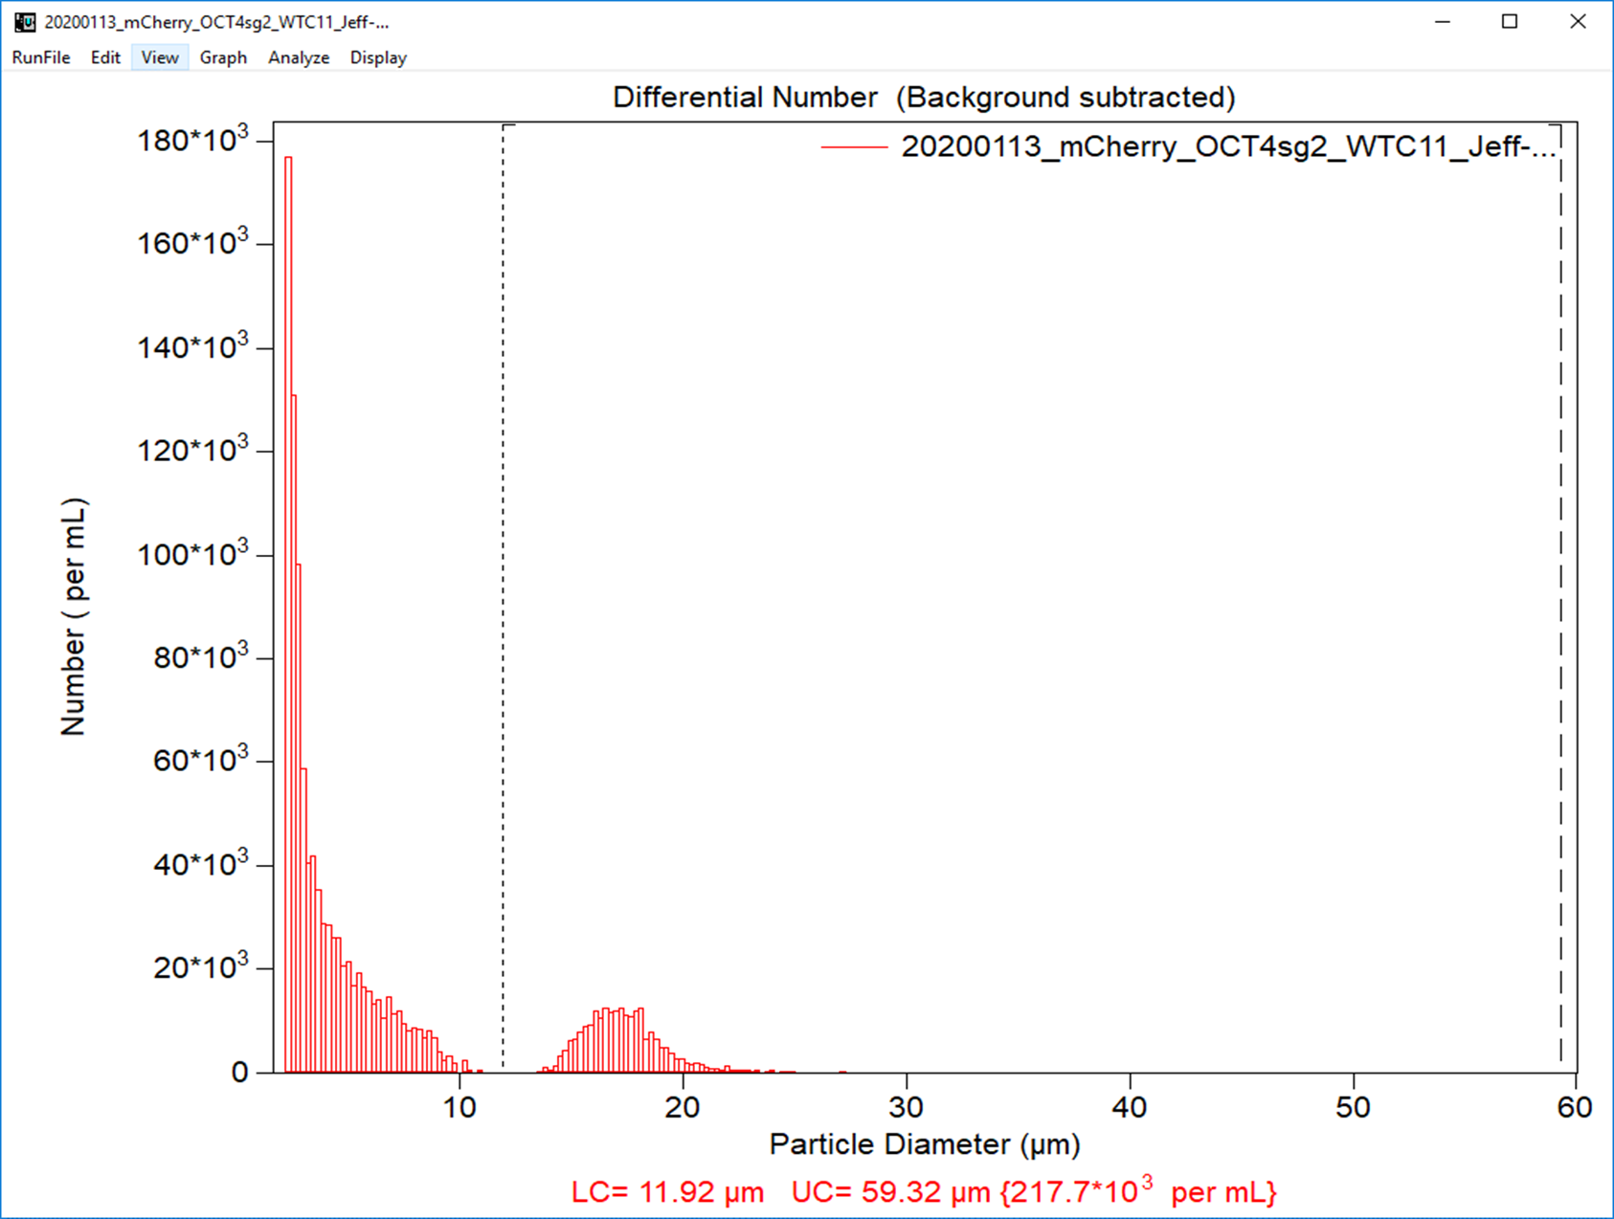
 |  |  | pmol gRNA | 6 | gRNA | 20 | mM | 10 | 2 | mM | 3.0
 |  |  | mg plsmdDNA | 0.2 | plsmdDNA | 0.6 | mg/mL | 3 | 0.2 | mg/mL | 1

 |  |  |  |  |  |  |  |  |  | Total Volume of reactants | 5.0

Volume of cells |  | 20 | uL
Vol reactants |  | 5.0 | uL
Total vol rxn |  | 25 | uL

pmol RNA-prot cmplx |  | 2 |  | pmol Cas9 | 2
# cells to be transfected |  | 4.00E+05 |  | mg plasmidDNA | 0.2

Transfection designator |  |  | 20200113mChOCT4sg2

input data | PREPARE CELLS FOR TRANSFECTION |  |  | Post transfection plate: 96-well |  |  | Tot well vol | 0.1mL

 |  | desired # cells/well |  | final vol cell susp (mL) |  | mL/96well |  | #cellstotal |  | COULTER Counter Results:
HELPER CELLS |  | 4000 |  | 5.6 |  | 0.05 |  | 448000 |  |  | #cell/mL | Vol of cells needed(mL) | Vol of mTESR+Ri (mL)
TRANSFECTANTS |  | 4000 |  | 5.6 |  | 0.05 |  | 448000 |  | helpr cells | 2.78E+05 | 1.61 | 3.99
 |  |  |  |  |  |  |  |  |  | transfctnts | 2.18E+05 | 2.06 | 5.50
Time of plating post transfection |  |  | 11:45:00

Transfection protocol |  | AmaxaCB-150

20210203GFPSOX2sg3
PURPOSE:
TRANSFECTION METADATA |  |  |  |  |  |  |  |  |  |  |  |  |  | Cell type | WTC11 |  | Cell source | Coriell

input data | Transfector |  | JEFF |  |  |  |  |  |  |  |  |  |  | Date cells received |  | 20190430 | how shipped | live shipment
 | Date of transfection |  | 20210203 |  |  |  |  |  |  |  |  |  |  | Freeze date |  | 20190516 | passage#at freeze | 41
 |  |  |  |  |  |  |  |  |  |  |  |  |  | STR anal | 20190705 | mycoplasma | 20190705 | Karyotype analysis
 | Thaw date | 20210131 | Passages since thaw | 3 |  | Passage number | 45
 | Matrigel coating date |  | 20210112 |  |  |  |  |  |  |  |  |  |  | Transfection method |  | Amaxa | Electroporation program |  | CB-150 | Electroporation buffer |  | P3

 |  |  |  |  |  |  |  |  |  |  |  |  |  | Original plasmid backbone |  |  | pUC19-SOX2-T2A-2xNLS-tdTomato-F2A-Puro |  |  | Source | Addgene
 | Gene targeted |  | SOX2 |  | FluorescentProtein | eGFP | GFP
 | Guide RNA Designation |  | SOX2sg3 |  |  |  |  |  |  |  |  |  |  |  | Other plamid components |  | eGFP |  |  |  | 5' homology arm |  | 3' homology arm
 | gRNASequence |  | SOX2sg3:UGCCCCUCUCACACAUGUGA |  |  | Source | Synthego |  |  | Donor Plasmid Name | pSOX2_GFP_Long3HA |  |  |  |  | Resource | pcDNA3.3_d2eGFP |  |  |  | pUC19-SOX2-T2A-2xNLS-tdTomato-F2A-Puro |  | WTC11 genomic DNA
 |  |  |  |  |  |  |  |  |  |  |  |  |  |  |  | Source | Addgene |  |  |  | Addgene |  | in-house
 |  |  |  |  |  |  |  |  |  |  |  |  |  |  |  |  |  |  |  |  |  |  | Note: homology arms are 3' and 5' of the stop codon
input data | PREP media for transf/posttransf |  |  | Harvest cells from 6well plate and count

#wells to harvest |  | 2 | mL/well | total mL
 | 6well plate harvest |  | 4 | 8 |  |  |  |  |  |  |  |  |  | NOTES
 | resusp to count |  | 2.5 | 5 |  |  |  |  |  |  |  |  |  | Used mTeSR-Plus+Ri medium
 | vol to fill 96well posttransfctn |  |  | 11.2 |  | incl .08mLposttrnsfctnincuba |  |  |  |  |  |  |  | Used new donor plasmid with longer 3' homology arm (HA)-pSOX2-eGFP long3'HA
 |  |  |  |  |  |  |  |  |  |  |  |  |  | Used 2X cas9, sg3, and donor plasmid per cell than previously.
 | Total volume |  | mTeSR | 24.2 | mL |  |  |  |  |  |  |  |  | Used 2000 helper cells/well.

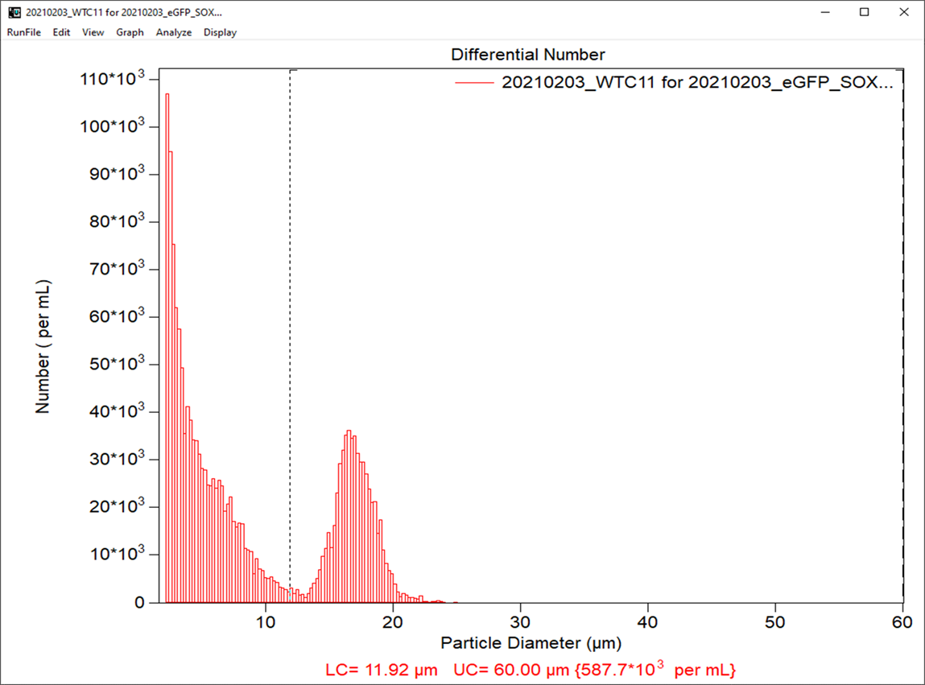
 |  |  |  |  |  |  |  |  |  |  |  |  |  | Coulter Counter data image
input data | PREPARE REAGENTS FOR TRANSFECTION |  |  |  |  |  |  | dilute w TE
 |  |  |  |  | Stock Conc |  |  | Dilu factor | Working conc |  | mL of reactants
Cas9:gRNA | 1:3 |  | pmol Cas9 | 4 | Cas9 | 20 | mM | 5 | 4 | mM | 1.0
 |  |  | pmol gRNA | 12 | gRNA | 20 | mM | 5 | 4 | mM | 3.0
 |  |  | mg plsmdDNA | 0.8 | plsmdDNA | 0.95 | mg/mL | 1.1875 | 0.8 | mg/mL | 1

 |  |  |  |  |  |  |  |  |  | Total Volume of reactants | 5.0
Transfection vessel |  | strip well | Vol cells /vessel | 20 |  | # vessels | 2
Volume of cells |  | 40 | mL
Vol reactants |  | 5.0 | mL
Total vol rxn |  | 45 | mL

pmol RNA-prot cmplx |  | 4 |  | pmol Cas9 | 4
# cells to be transfected |  | 4.00E+05 |  | mg plasmidDNA | 0.8

Transfection designator |  |  | 20210203GFPSOX2sg3

input data | PREPARE CELLS FOR TRANSFECTION |  |  | Post transfection plate: 96-well |  |  | Tot well vol | 0.1mL

 |  | # cells/well |  | final vol cell susp (mL) |  | mL/well |  | #cellstotal |  | COULTER Counter Results:
HELPER CELLS |  | 2000 |  | 5.6 |  | 0.05 |  | 224000 |  |  | #cell/mL | Vol of cells needed(mL) | Vol of mTESR+Ri (mL)
TRANSFECTANTS |  | 4000 |  | 5.6 |  | 0.05 |  | 448000 |  | helpr cells | 5.88E+05 | 0.38 | 5.22
 |  |  |  |  |  |  |  |  |  | transfctnts | 5.88E+05 | 0.76 | 5.50
Time of plating post transfection |  |  | 12:20:00

Transfection protocol |  | AmaxaCB-150

